ICE WATCH
 | ICE WATCH 26/11/24
 | Restrictions : No sales in EU
Item number | Product name | COLLECTION | STOCK | PRICES | TOTAL VALUE | PVP | Picture | PHOTOS & INFOS
023324 | ICE boliday - Kids spaceship - Plastic - Small - 3H | ICE boliday kids | 1608 | 18.93 € | 30,439.44 € | 69 € | 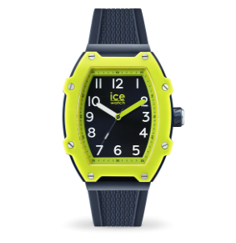 | https://www.ice-watch.com/products/ice-boliday-kids-spaceship
023325 | ICE boliday - Kids dino - Plastic - Small - 3H | ICE boliday kids | 1624 | 18.93 € | 30,742.32 € | 69 € | 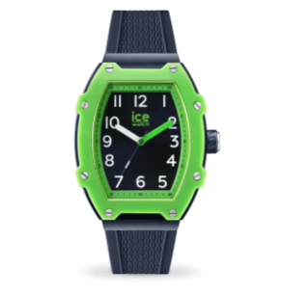 | https://www.ice-watch.com/products/ice-boliday-kids-dino
023326 | ICE boliday - Kids spider - Plastic - Small - 3H | ICE boliday kids | 1674 | 18.93 € | 31,688.82 € | 69 € | 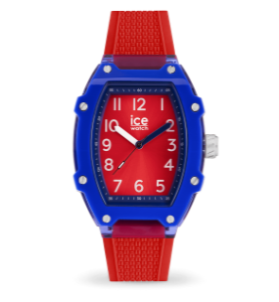 | https://www.ice-watch.com/products/ice-boliday-kids-spider
023327 | ICE boliday - Kids daisy - Plastic - Small - 3H | ICE boliday kids | 1611 | 18.93 € | 30,496.23 € | 69 € | 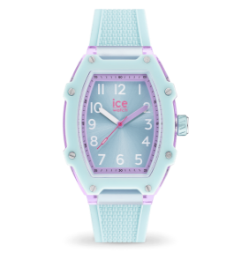 | https://www.ice-watch.com/products/ice-boliday-kids-daisy
023328 | ICE boliday - Kids princess - Plastic - Small - 3H | ICE boliday kids | 1644 | 18.93 € | 31,120.92 € | 69 € | 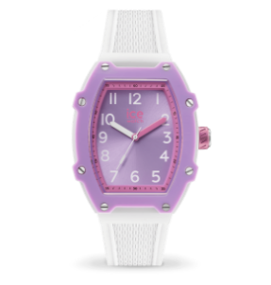 | https://www.ice-watch.com/products/ice-boliday-kids-princess
 |  |  |  |  | 154,487.73 €
023313 | ICE boliday - White blue - Plastic - Medium - MT | ICE boliday men plastic M | 868 | 29.15 € | 25,302.20 € | 149 € | 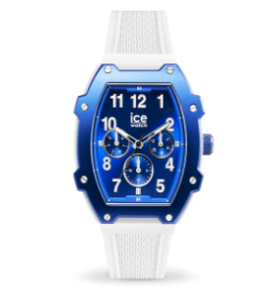 | https://www.ice-watch.com/products/ice-boliday-white-blue-plastic
023314 | ICE boliday - Gold blue - Plastic - Medium - MT | ICE boliday men plastic M | 631 | 29.15 € | 18,393.65 € | 149 € | 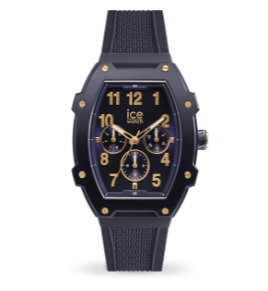 | https://www.ice-watch.com/products/ice-boliday-gold-blue-plastic?_pos=1&_sid=845ab5764&_ss=r
023315 | ICE boliday - Black rose-gold - Plastic - Medium - MT | ICE boliday men plastic M | 697 | 29.15 € | 20,317.55 € | 149 € | 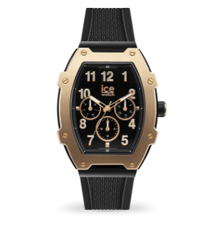 | https://www.ice-watch.com/products/ice-boliday-black-rose-gold-plastic?_pos=1&_sid=356a987d1&_ss=r
023316 | ICE boliday - Black red - Plastic - Medium - MT | ICE boliday men plastic M | 955 | 29.15 € | 27,838.25 € | 149 € | 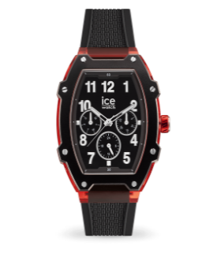 | https://www.ice-watch.com/products/ice-boliday-black-red-plastic?_pos=1&_sid=232a4ccb7&_ss=r
023317 | ICE boliday - Khaki - Plastic - Medium - MT | ICE boliday men plastic M | 200 | 29.15 € | 5,830.00 € | 149 € | 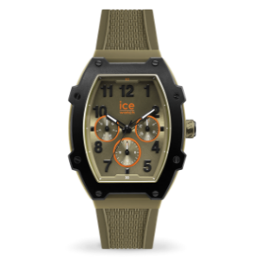 | https://www.ice-watch.com/products/ice-boliday-khaki-plastic?_pos=1&_sid=1d58491a8&_ss=r
023287 | ICE boliday - Bright orange - Alu - Small - MT | ICE boliday women alu S | 2132 | 29.15 € | 62,147.80 € | 169 € | 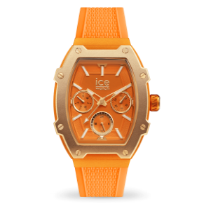 | https://www.ice-watch.com/products/ice-boliday-bright-orange
023288 | ICE boliday - Wild pink - Alu - Small - MT | ICE boliday women alu S | 2240 | 29.15 € | 65,296.00 € | 169 € | 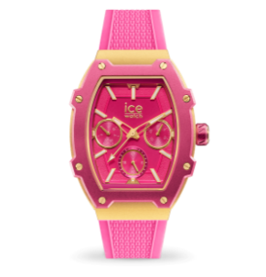 | https://www.ice-watch.com/products/ice-boliday-wild-pink
023289 | ICE boliday - Ultra violet - Alu - Small - MT | ICE boliday women alu S | 2180 | 29.15 € | 63,547.00 € | 169 € | 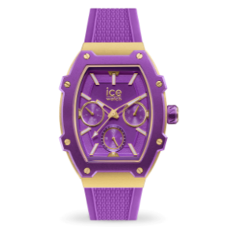 | https://www.ice-watch.com/products/ice-boliday-ultra-violet
023290 | ICE boliday - Adriatic blue - Alu - Small - MT | ICE boliday women alu S | 2337 | 29.15 € | 68,123.55 € | 169 € | 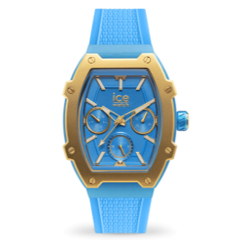 | https://www.ice-watch.com/products/ice-boliday-adriatic-blue
023897 | ICE boliday - White gold - Steel - Medium - MT | ICE boliday women steel M | 263 | 29.15 € | 7,666.45 € | 169 € | 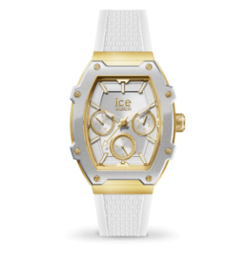 | https://www.ice-watch.com/products/ice-boliday-white-gold-steel
023898 | ICE boliday - Almond skin - Steel - Medium - MT | ICE boliday women steel M | 248 | 29.15 € | 7,229.20 € | 169 € | 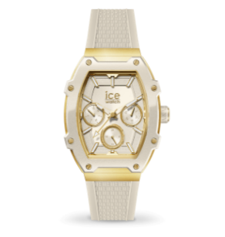 | https://www.ice-watch.com/products/ice-boliday-almond-skin-steel
023899 | ICE boliday - Timeless taupe - Steel - Medium - MT | ICE boliday women steel M | 238 | 29.15 € | 6,937.70 € | 169 € | 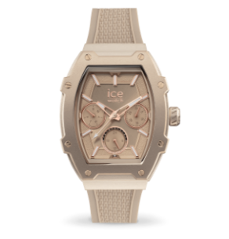 | https://www.ice-watch.com/products/ice-boliday-timeless-taupe
023900 | ICE boliday - Horizon blue - Steel - Medium - MT | ICE boliday women steel M | 264 | 29.15 € | 7,695.60 € | 169 € | 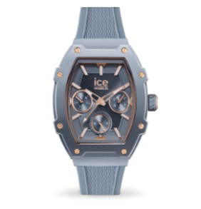 | https://www.ice-watch.com/products/ice-boliday-horizon-blue
023901 | ICE boliday - Black gold - Steel - Medium - MT | ICE boliday women steel M | 266 | 29.15 € | 7,753.90 € | 169 € | 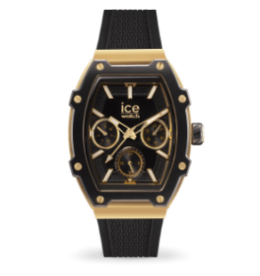 | https://www.ice-watch.com/products/ice-boliday-black-gold
 |  |  | 21680 |  | 548,566.58 €

